Data Tests
System Tests |  |  |  |  |  |  | Sample UI

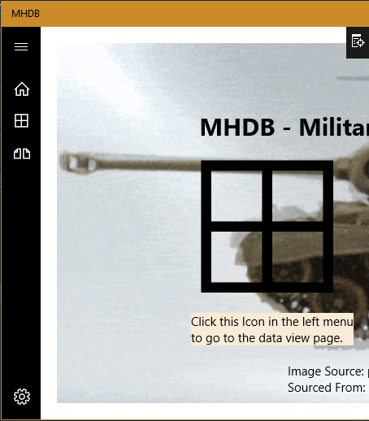
Tester: | Weston Nudell
Date Tested: | 2017-12-06
Software Version: | 1
Software Component: | View and Compare Data Items.

Test Identifier | Test Name | Step # | Step Description | Expected Results | Actual Results | Pass/Fail |  | Home:
1 | Navigate to Data Page, Compare Page, Settings Page, and Home Page | 1 | Click on the Data Icon on the left Hamburger menu | Arrive at the Data page, which has a list of tables and Selection information. | You arrive at the data page with the controls displaying properly. | Pass |  | Data:
 |  | 2 | Click on the Compare Icon on the left Hamburger Menu | Arrive at the Compare page, which is blank. | You arrive at the compare page which is blank as expected, as noting has been passed to the page. | Pass |  | Compare:
 |  | 3 | Click on the Settings Icon on the left Hamburger Menu | Arrive at the Settings page, which contains a reset database button. | You arrive at the setting s page which properly shows the reset button. | Pass
 |  | 4 | Click on the Home Icon on the levt Hamburger Menu | Arrive at the Home page, which contains an image of both the Data and Compare Icons along with instructions. | You arrive at the Home page, with the proper background, credits, and instructions. | Pass |  | Settings:
2 | Select a table | 1 | Navigate to the Data page. | Arrive at page. | You arrive at the page. | Pass
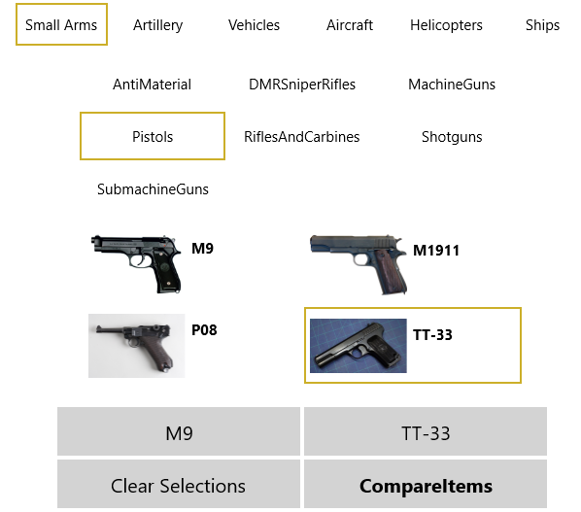
 |  | 2 | Click on one of the tables, such as small arms. | A new list appears underneath the table list, with the sub-types applying to the selected table, small arms. I.E. it displays pistols, RiflesAndCarbines, etc. Table name should not appear. | All the correct types appear in the new list and the table name is not included in them. | Pass
 |  | 3 | Click on a different table | Type list should update with the proper types for the newly clicked table, again without the table name | The list is properly updated and again, is without the table name in the list. | Pass
3 | Select Type and Item | 1 | Navigate to Data page. | Arrive at page. | You arrive properly | Pass
 |  | 2 | Click on a table. | Proper type list appears below the table list | Type list appears correctly. | Pass
 |  | 3 | Click on a type | A Grid appears below the type list with all items of the selected type | Grid appears correctly | Pass
 |  | 4 | Click on an item | Item is selected and the selection1 box is filled in | Selection is confirmed in the selection1 box. | Pass
 |  | 5 | Click on a different type | The Grid is updated with the new items | The Grid correctly updates | Pass
 |  | 6 | Click on an item | The Item is selected and the selection2 box is filled in | Selection is confirmed in the selection2 box. | Pass
4 | Select Item and change Tables | 1 | Complete Test 3 up to and including step 4 | Test 3 to step 4 is completed | Test completed successfully | Pass
 |  | 2 | Change the Table by clicking a different table | Table is selected, Type list is updated with the new proper types, the grid is unbound and hidden, and the Selection items are cleared. | Type list updates, grid becomes hidden, and selection boxes become cleared. | Pass
3 | Clear Selections | 1 | Execute Test 3 | Test 3is completed successfully | Test 3 is completed successfully | Pass
 |  | 2 | Click on the first Selected Item | Selection 1 is cleared | Selection 1 is properly cleared | Pass
 |  | 3 | Click on the second Item | Selection 2 is cleared | Selection 2 is properly cleared | Pass
 |  | 4 | Execute Test 3 | Test 3is completed successfully | Test 3 is completed successfully | Pass
 |  | 5 | Click on the clear selections item | Selection 1 and Selection 2 are both cleared | Both selections are properly cleared | Pass
4 | Select items and Compare | 1 | Execute Test 3 | Test 3 is completed successfully | Test 3 is completed successfully | Pass
 |  | 2 | Click the compare item | Page changes to the compare page, with both items complete information on display. | Navigation occurs correctly, and the data is displayed appropriately | Pass

